SCHEDULESUMMARY
DESIGN MODULE - MASONRY WALL OPENING

CREECH DRP PH2 - LEVEL 2 OPENING

 |  |  |  |  |  | MASONRY LINTEL SCHEDULE
MARK | DEPTH | TYPE | LINTEL REINFORCING |  | SUPPORT COLUMN | COMMENTS
 |  |  | HORIZONTAL | STIRRUPS
ML1 | 24 '' | TYPE A | (2) #5 | -- | ML1 C
ML2 | 16 '' | TYPE A | (2) #5 | -- | ML2 C

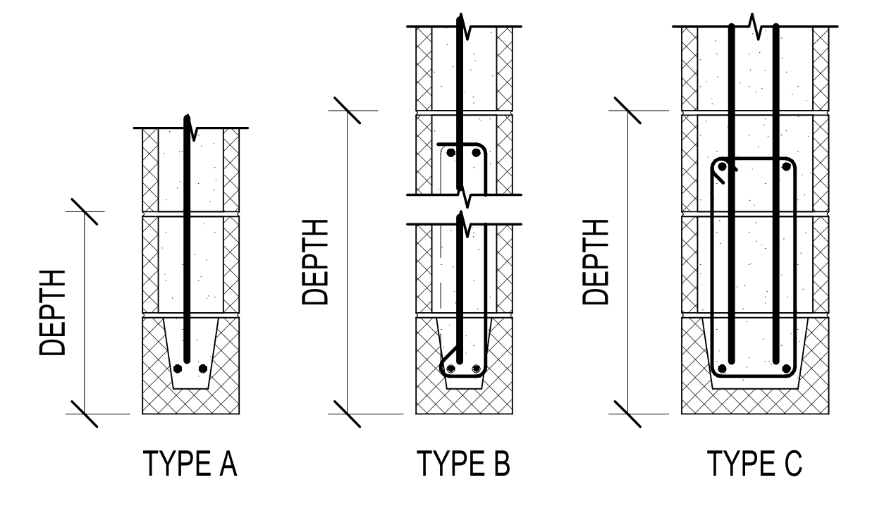

 |  |  |  |  |  | MASONRY JAMB COLUMN SCHEDULE
MARK | SIZE | TYPE | COLUMN REINFORCING |  | COMMENTS
 |  |  | VERTICAL | TIES
ML1 C | 8x24 | TYPE C3 | (4) #5 | --
ML2 C | 8x24 | TYPE C3 | (4) #5 | --

LINTEL1
MASONRY WALL OPENING
CREECH DRP PH2 - LEVEL 2 OPENING: LINTEL DESIGN FOR ML1

General Design Input

 | Total Wall Height: | 17.67 ft |  | Lintel Depth: | 24.00 in |  | Vert DL: | 300 plf
 | Block Thickness: | 8" CMU |  | No. of Long Bars: | (2) |  | Vert LL: | 0 plf
 | Opening Height: | 14.00 ft |  | Bar Size: | #5 |  | Vert SL: | 710 plf
 | Opening Width: | 12.00 ft |  | No. of Courses: | 1 |  | Horz Wind: | 25 psf
 | Roof Deck Height: | 17.67 ft |  |  |  |  | Horz Quake: | 33 psf
 | Cells Grouted @: | Solid |  | Column Width: | 24.00 in |  | Solid Opening: | Y
 | Masonry f'm: | 2000 psi |  | Depth to Bar(s): | 5.31 in
 |  |  |  | No. of Bars: | (2)
 |  |  |  | Bar Size: | #5
Analysis and Calculations

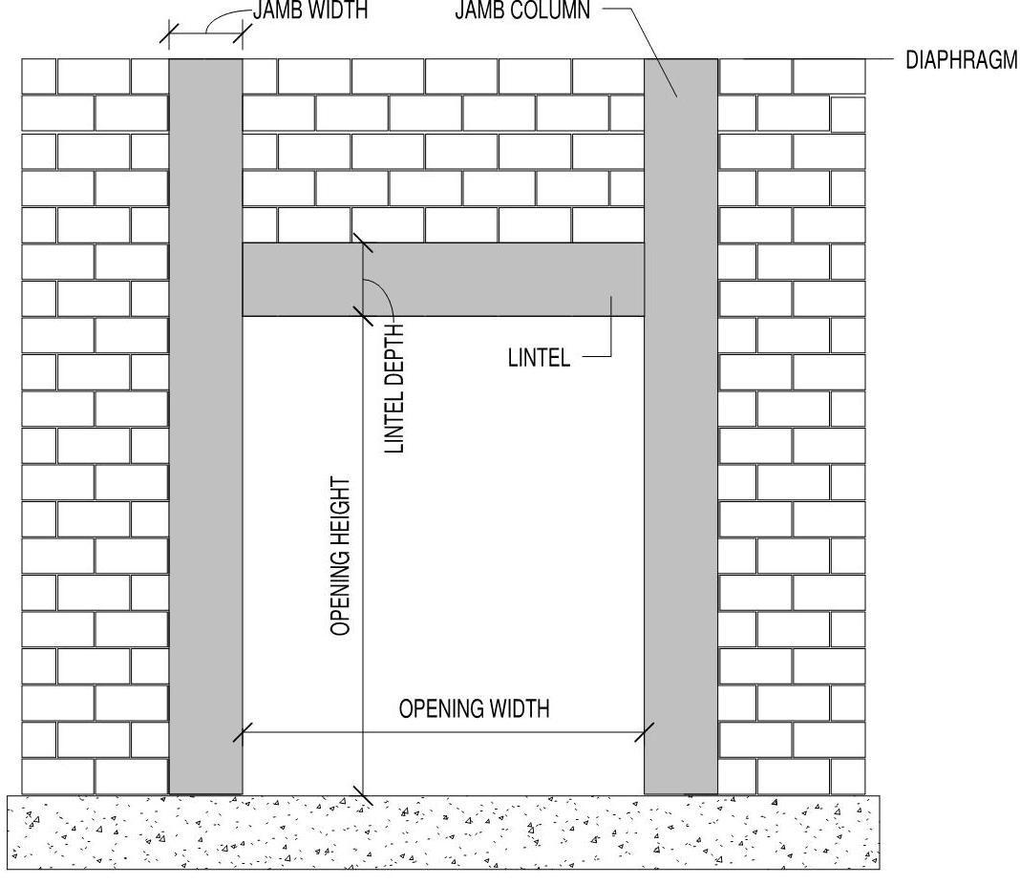
Masonry Lintel:
 | Arching action: | No
 | Effective Span, le: | 14.00 ft
 | Depth to Reinf, d: | 20.0 in

Demand |  | Capacity
Mu: | 45.72 k-ft | fMn: | 54.45 k-ft
Vu: | 13.06 k | fVn: | 14.73 k

 | Min. Capacity: | 12.20 k-ft
 | Deflection: | l/1441

Masonry Column:
Demand |  | Capacity
Mu+: | 10.2 k-ft | fMn: | 11.6 k-ft
Mu-: | 0.0 k-ft | fMn: | 11.6 k-ft
Vu: | 2.3 k | fVn: | 33.5 k
Pu: | 17.0 k | fPn: | 124.8 k

Design Summary

 | Masonry Lintel |  |  |  |  | Masonry Column
 | No. Grouted Courses: | 3 |  |  |  | No. of Grouted Cells: | 3
 | Flexural Reinforcing: | (2) #5 |  |  |  | Long. Reinforcing: | (4) #5
 | Shear Reinforcing (Not Req'd): | 1-Leg | 2-Legs |  |  | Depth to bar(s): | 5.31 in
 | #3 @ | - | -
 | #4 @ | - | -
 | #5 @ | - | - |  |  |  | Overall Status: | OK

