SCHEDULESUMMARY
DESIGN MODULE - MASONRY WALL OPENING

CREECH DRP PH2 - E/W WALL

 |  |  |  |  |  | MASONRY LINTEL SCHEDULE
MARK | DEPTH | TYPE | LINTEL REINFORCING |  | SUPPORT COLUMN | COMMENTS
 |  |  | HORIZONTAL | STIRRUPS
ML1 | 16 '' | TYPE A | (2) #5 | -- | ML1 C
ML2 | 32 '' | TYPE C | (2) #6 | #3 @ 16" OC | ML2 C

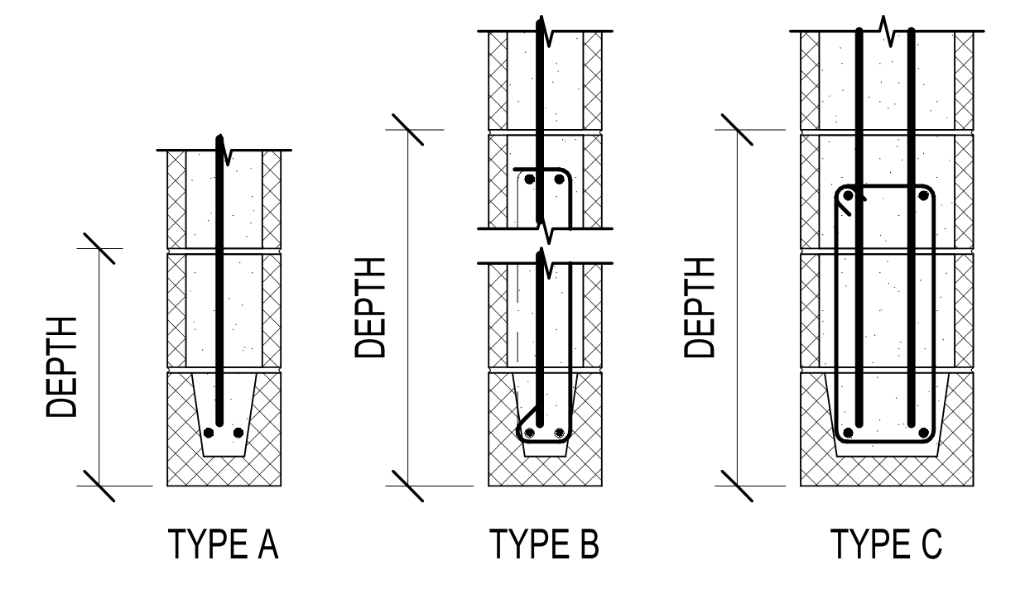

 |  |  |  |  |  | MASONRY JAMB COLUMN SCHEDULE
MARK | SIZE | TYPE | COLUMN REINFORCING |  | COMMENTS
 |  |  | VERTICAL | TIES
ML1 C | 8x16 | TYPE A2 | (1) #5 | --
ML2 C | 8x24 | TYPE C3 | (4) #5 | --

LINTEL1
MASONRY WALL OPENING
CREECH DRP PH2 - E/W WALL: LINTEL DESIGN FOR ML1

General Design Input

 | Total Wall Height: | 17.33 ft |  | Lintel Depth: | 16.00 in |  | Vert DL: | 2634 plf
 | Block Thickness: | 8" CMU |  | No. of Long Bars: | (2) |  | Vert LL: | 438 plf
 | Opening Height: | 7.50 ft |  | Bar Size: | #5 |  | Vert SL: | 219 plf
 | Opening Width: | 4.00 ft |  | No. of Courses: | 1 |  | Horz Wind: | 25 psf
 | Roof Deck Height: | 17.33 ft |  |  |  |  | Horz Quake: | 33 psf
 | Cells Grouted @: | Solid |  | Column Width: | 16.00 in |  | Solid Opening: | Y
 | Masonry f'm: | 2000 psi |  | Depth to Bar(s): | 3.81 in
 |  |  |  | No. of Bars: | (1)
 |  |  |  | Bar Size: | #5
Analysis and Calculations

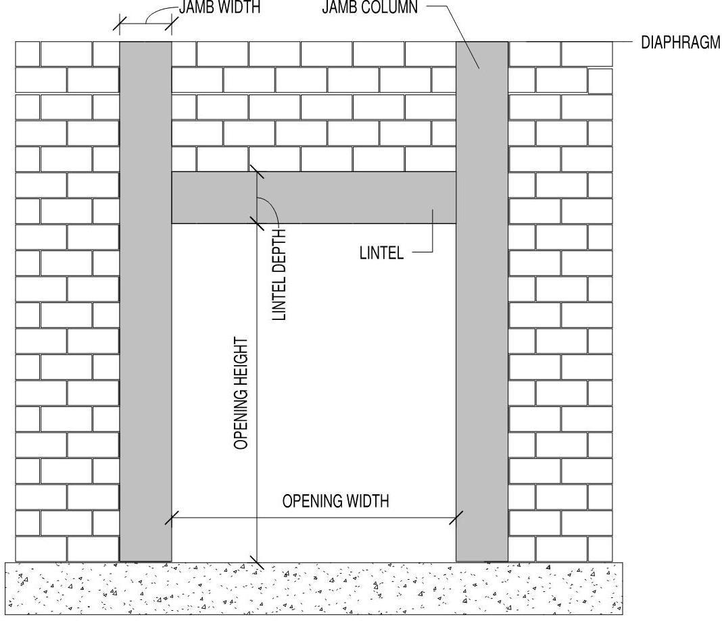
Masonry Lintel:
 | Arching action: | Yes
 | Effective Span, le: | 5.33 ft
 | Depth to Reinf, d: | 12.0 in

Demand |  | Capacity
Mu: | 1.19 k-ft | fMn: | 31.45 k-ft
Vu: | 0.90 k | fVn: | 9.82 k

 | Min. Capacity: | 5.42 k-ft
 | Deflection: | l/20159470

Masonry Column:
Demand |  | Capacity
Mu+: | 4.1 k-ft | fMn: | 4.2 k-ft
Mu-: | 0.0 k-ft | fMn: | 4.2 k-ft
Vu: | 0.9 k | fVn: | 22.5 k
Pu: | 12.6 k | fPn: | 83.6 k

Design Summary

 | Masonry Lintel |  |  |  |  | Masonry Column
 | No. Grouted Courses: | 2 |  |  |  | No. of Grouted Cells: | 2
 | Flexural Reinforcing: | (2) #5 |  |  |  | Long. Reinforcing: | (1) #5
 | Shear Reinforcing (Not Req'd): | 1-Leg | 2-Legs |  |  | Depth to bar(s): | 3.81 in
 | #3 @ | - | -
 | #4 @ | - | -
 | #5 @ | - | - |  |  |  | Overall Status: | OK

