Input
Shear Lug Design
SC 6 - HSS6x6x1/2 Brace

GENERAL DESIGN CRITERIA

Base Plate Length: | 50.00 in |  | Factored Shear Load (Vu): | 502 kips
Base Plate Width: | 20.00 in |  | Grout Thickness: | 2.00 in
Shear Lug Width: | 20.00 in |  | Concrete Strength (f'c): | 4500 psi
Base Plate Thickness: | 1.50 in |  | Lug Yield Strength (Fy): | 50 ksi
# of Lugs Used: | 2

ANALYSIS AND DESIGN CALCULATION

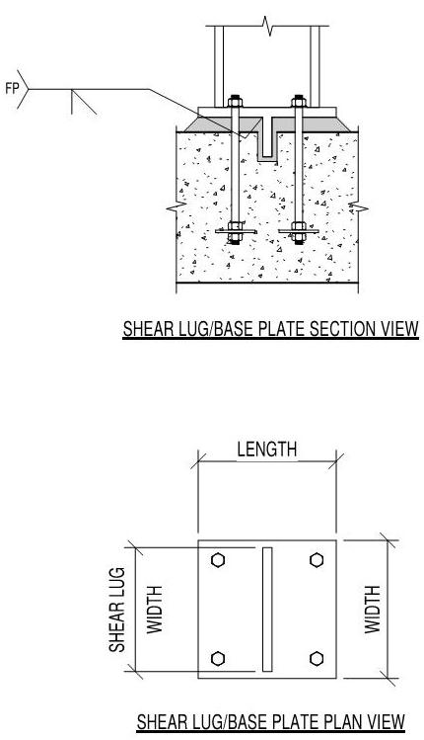
Single Shear Lug Design
Max Shear (Vu): | 251.00 | kips
Lug Area Req'd: | 100.96 | in2
Min Lug Depth: | 7.05 | in
Actual Lug Depth: | 7.50 | in
Lug Moment (Mu): | 59.61 | k-in
Min Lug Thickness: | 2.302 | in
Lug Thickness: | 2.500 | in

Final Shear Lug Design
Shear Lug Size: | (2) 7.5 in x 2.1/2 in x 20 in.
Shear Lug Thickness: | 2.500 | in.
Shear Lug Depth: | 7.50 | in.
Lug Face to Base Plate edge: | 16.75 in | in.
Spacing Between Lugs: | 11.50 in | in.

