Input
Shear Lug Design
SC 2 - HSS8x8x5/8 Brace

GENERAL DESIGN CRITERIA

Base Plate Length: | 48.00 in |  | Factored Shear Load (Vu): | 671 kips
Base Plate Width: | 20.00 in |  | Grout Thickness: | 2.00 in
Shear Lug Width: | 20.00 in |  | Concrete Strength (f'c): | 4500 psi
Base Plate Thickness: | 1.750 in |  | Lug Yield Strength (Fy): | 50 ksi
# of Lugs Used: | 2

ANALYSIS AND DESIGN CALCULATION

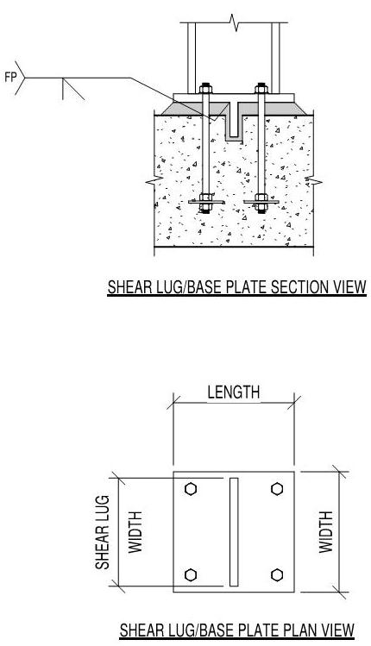
Single Shear Lug Design
Max Shear (Vu): | 335.50 | kips
Lug Area Req'd: | 134.94 | in2
Min Lug Depth: | 8.75 | in
Actual Lug Depth: | 9.00 | in
Lug Moment (Mu): | 92.26 | k-in
Min Lug Thickness: | 2.864 | in
Lug Thickness: | 3.000 | in

Final Shear Lug Design
Shear Lug Size: | (2) 9 in x 3 in x 20 in.
Shear Lug Thickness: | 3.000 | in.
Shear Lug Depth: | 9.00 | in.
Lug Face to Base Plate edge: | 14.50 in | in.
Spacing Between Lugs: | 13.00 in | in.

