SCHEDULESUMMARY
DESIGN MODULE - MASONRY WALL OPENING

CUP CREECH

 |  |  |  |  |  | MASONRY LINTEL SCHEDULE
MARK | DEPTH | TYPE | LINTEL REINFORCING |  | SUPPORT COLUMN | COMMENTS
 |  |  | HORIZONTAL | STIRRUPS
ML1 | 16 '' | TYPE A | (2) #5 | -- | ML1 C
ML2 | 32 '' | TYPE C | (2) #5 | #3 @ 16" OC | ML2 C

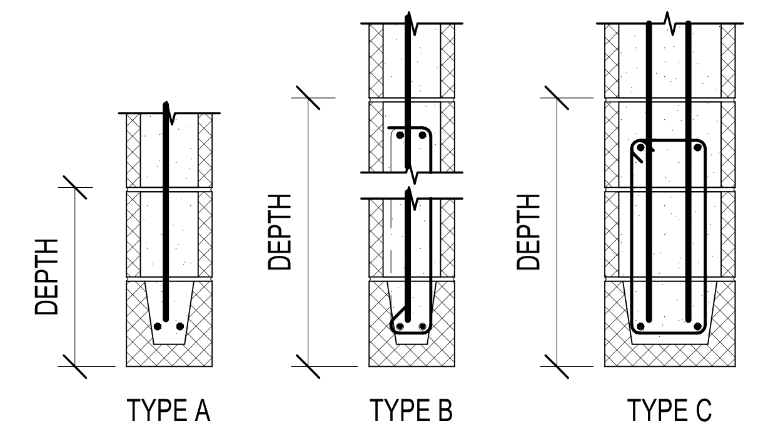

 |  |  |  |  |  | MASONRY JAMB COLUMN SCHEDULE
MARK | SIZE | TYPE | COLUMN REINFORCING |  | COMMENTS
 |  |  | VERTICAL | TIES
ML1 C | 8x16 | TYPE A2 | (1) #5 | --
ML2 C | 8x24 | TYPE C3 | (4) #5 | --

LINTEL1
MASONRY WALL OPENING |  |  |  |  |  |  |  |  | Data and Program Calculations |  |  |  |  |  |  |  |  |  |  |  |  | Program Tables |  |  |  |  |  |  | Assumptions + Quick Checks |  |  |  |  |  |  |  |  | Program Graphing
CUP CREECH: LINTEL DESIGN FOR ML1 |  |  |  |  |  |  |  |  | Code Reference or Sub-title |  |  |  |  |  |  |  |  |  |  |  |  |  |  |  |  |  |  |  | Assumptions:
 |  |  |  |  |  |  |  |  |  |  |  |  |  | Lintel Depth: | 16.00 | in |  |  |  |  |  |  |  |  |  |  |  |  |  | - Load combination factor f1 = 1.0. This may be changed in the data sheet if conditions are different. |  |  |  |  |  |  |  | Wall Outline
General Design Input |  |  |  |  |  |  |  |  |  | Total Wall Height: | 26.50 ft | ft |  | No. of Long Bars: | (2) |  |  | Vert DL: | 2447 plf | plf |  | 8" CMU | Wall Thickness |  |  |  |  |  |  | - Reinforcement is grade 60. |  |  |  |  |  |  |  | POINT | X | Y
 |  |  |  |  |  |  |  |  |  | Wall Thickness: | 7.625 | in |  | Bar Size: | #5 |  |  | Vert LL: | 520 plf | plf |  | Choose | Choose | Thickness | Solid Wt |  |  |  |  | - Modulus of rupture, fr = 200psi (Type S mortar) |  |  |  |  |  |  |  | 1 | 1.00 | 1.00
 | Total Wall Height: | 26.50 ft |  | Lintel Depth: | 16.00 in |  | Vert DL: | 2447 plf |  | Opening Height: | 7.33 ft | ft |  | No. of Courses: | 1 |  |  | Vert SL: | 101 plf | plf |  | 8" CMU | 8" CMU | 7.625 | 84 |  |  |  |  |  |  |  |  |  |  |  |  | 2 | 2.67 | 1.00
 | Block Thickness: | 8" CMU |  | No. of Long Bars: | (2) |  | Vert LL: | 520 plf |  | Opening Width: | 3.25 ft | ft |  | Column Width: | 16.00 in | in |  | Horz Wind: | 25 psf | psf |  | 10" CMU | 10" CMU | 9.625 | 104 |  |  |  |  |  |  |  |  |  |  |  |  | 3 | 2.67 | 8.33
 | Opening Height: | 7.33 ft |  | Bar Size: | #5 |  | Vert SL: | 101 plf |  | Roof Deck Height: | 26.50 ft | ft |  | Depth to Bar: | 3.00 in | in |  | Horz Quake: | 33 psf | psf |  | 12" CMU | 12" CMU | 11.625 | 133 |  |  |  |  |  |  |  |  |  |  |  |  | 4 | 5.92 | 8.33
 | Opening Width: | 3.25 ft |  | No. of Courses: | 1 |  | Horz Wind: | 25 psf |  | Grouted @: | 8 | in oc |  | No. of Bars: | (1) |  |  | Solid Opening: | TRUE |  |  | USE | 8" CMU | 7.625 | 84 |  |  |  |  |  |  |  |  |  |  |  |  | 5 | 5.92 | 1.00
 | Roof Deck Height: | 26.50 ft |  |  |  |  | Horz Quake: | 33 psf |  | Masonry f'm: | 1500 psi | psi |  | Bar Size: | #5 |  |  | Bar fy: | 60 ksi | ksi |  |  |  |  |  |  |  |  |  |  |  |  |  |  |  |  |  | 6 | 7.58 | 1.00
 | Cells Grouted @: | Solid |  | Column Width: | 16.00 in |  | Solid Opening: | Y |  |  |  |  |  | No bars/cell: | 1 |  |  |  |  |  |  |  |  |  |  |  |  |  |  | Quick Checks: |  |  |  |  |  | Overall Status: | FAILS | 7 | 7.58 | 27.50
 | Masonry f'm: | 1500 psi |  | Depth to Bar(s): | 3.00 in |  |  |  | General Calculations |  |  |  |  |  | Column Loading: |  |  |  |  |  |  | Solid | Vertical Grout Spacing |  |  |  |  |  |  |  |  |  |  |  |  |  |  | 8 | 1.00 | 27.50
 |  |  |  | No. of Bars: | (1) |  |  |  |  |  |  |  |  |  |  |  |  |  |  |  |  | Choose | Choose | Width | 8" CMU | 10" CMU | 12" CMU |  |  | LINTEL |  |  |  |  |  |  |  | 9 | 1.00 | 1.00
 |  |  |  | Bar Size: | #5 |  |  |  |  |  | Wall Slenderness Ratio: | 41.70 | h/w |  |  | Tributary Width from Wall: | 1.33 | ft |  |  |  | 48" o.c. | 48" o.c. | 48 | 55 | 70 | 83 |  |  | Demand |  | Capacity |  | Status | Notes
Analysis and Calculations |  |  |  |  |  |  |  |  |  |  | Wall Weight: | 84 | psf |  |  | Tribtary Width from Lintel: | 1.63 | ft |  |  |  | 32" o.c. | 32" o.c. | 32 | 58 | 74 | 89 |  |  | Mu: | 0.8 k-ft | fMn: | 30.8 k-ft | PASS | --- |  |  | Roof Line
 |  |  |  |  |  |  |  |  |  |  | Solid Grout Weight: | 84 | psf |  |  | DL in Column: | 9561.08 | lb |  |  |  | 24 o.c. | 24 o.c. | 24 | 61 | 78 | 94 |  |  | Vu: | 0.7 k | fVn: | 9.4 k | PASS | --- |  |  | POINT | X | Y
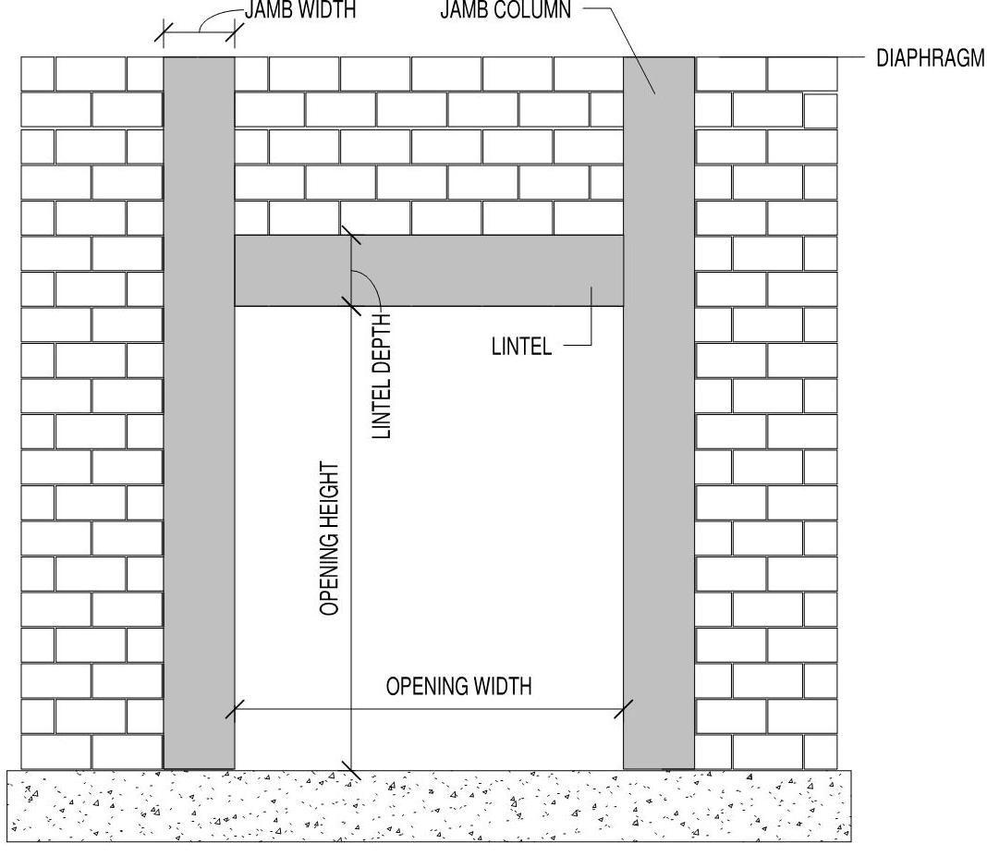
Masonry Lintel: |  |  |  |  |  |  |  |  |  |  | Vert Lintel Weight: | 1610 | plf |  |  | LL in Column: | 845 | lb |  |  |  | 16" o.c. | 16" o.c. | 16 | 66 | 86 | 103 |  |  | 1.3Mcr | 7.0 k-ft | Mn: | 34.2 k | PASS | --- |  |  | 1 | 1.00 | 27.50
 | Arching action: | Yes |  |  |  |  |  |  |  |  | Column Weight: | 2968 | lb |  |  | SL in Column: | 298.79166667 | lb |  |  |  | 8" o.c. | 8" o.c. | 8 | 84 | 104 | 133 |  |  | Δ: | 0.000 in | Δall: | 0.065 in | PASS | --- |  |  | 2 | 7.58 | 27.50
 | Effective Span, le: | 4.58 ft |  |  |  |  |  |  |  |  |  |  |  |  |  | Wind Load 1 Out of Plane: | 33.33 | plf from wall |  |  |  | Solid | Solid | 8 | 84 | 104 | 133 |  |  | As,max: | 0.87 in2 | As: | 0.62 in2 | PASS | ---
 | Depth to Reinf, d: | 12.0 in |  |  |  |  |  |  |  | Wall Type: | 1 |  |  |  |  | Wind Load 2 Out of Plane: | 40.63 | plf from lintel |  |  |  | USE | Solid | 8 | 84 | 104 | 133 |  |  | Cu: | 0.7 k | fCn: | 111.0 k | PASS | ---
 |  |  |  |  |  |  |  |  |  | Wall Weight: | 124 psf |  |  |  |  | Quake Load 1 Out of Plane: | 44.00 | plf from wall |  |  |  |  |  |  |  | Wall Weight: | 84 |  |  |  |  |  |  |  |  |  |  | Columns
Demand |  | Capacity |  |  |  |  |  |  |  | EQ: | 32.7 psf |  |  |  |  | Quake Load 2 Out of Plane: | 53.625 | plf from lintel |  |  |  |  |  |  |  |  |  |  |  | COLUMN |  |  |  |  |  |  |  | POINT | X | Y
Mu: | 0.78 k-ft | fMn: | 30.78 k-ft |  |  |  |  |  |  |  |  |  |  |  |  |  |  |  |  |  |  |  |  |  |  |  |  |  |  | Demand |  | Capacity |  | Status | Notes |  |  | 1 | 2.67 | 8.33
Vu: | 0.68 k | fVn: | 9.44 k |  |  |  |  |  | Out of Plane Bending in Wall |  |  |  |  |  |  |  |  |  |  |  |  |  |  |  |  |  |  |  |  | Mu+: | 13.3 k-ft | fMn: | 3.3 k-ft | FAILS | Tension Controls |  |  | 2 | 2.67 | 27.50
 |  |  |  |  |  |  |  |  |  |  |  |  |  |  |  |  |  |  |  |  |  | Reinforcing Bar Area |  |  |  |  |  |  |  | Mu-: | 0.0 k-ft | fMn: | 3.3 k-ft | PASS | Tension Controls |  |  | 3 | 1.33 | 27.50
 | Min. Capacity: | 5.42 k-ft |  |  |  |  |  |  |  | Load Combinaton: | Load 1 | Load 2 |  |  |  |  |  |  |  |  |  | 3 | 0.11 |  |  |  |  |  |  | Vu: | 1.3 k | fVn: | 15.1 k | PASS | --- |  |  | 4 | 1.33 | 1.00
 | Deflection: | l/101954156 |  |  |  |  |  |  |  | 1.2 D + E: | 44.00 | 53.625 |  |  |  | Design Forces |  |  |  |  |  | 4 | 0.20 |  |  |  |  |  |  | Pu: | 13.1 k | fPn: | 27.8 k | PASS | Includes Slender Provisons |  |  | 5 | 5.92 | 8.33
 |  |  |  |  |  |  |  |  |  | 1.2 D + 1.0W: | 33.33 | 40.625 |  |  | Mu+: | 8570 | lb-ft |  |  |  |  | 5 | 0.31 |  |  |  |  |  |  |  |  |  |  |  |  |  |  | 6 | 5.92 | 27.50
Masonry Column: |  |  |  |  |  |  |  |  |  | USE: | 44.00 | 53.625 | plf |  | Mu-: | 0 | lb-ft |  |  |  |  | 6 | 0.44 |  |  |  |  |  |  |  |  |  |  |  |  |  |  | 7 | 7.25 | 27.50
Demand |  | Capacity |  |  |  |  |  |  |  |  |  |  |  |  | Vu: | 1294 | lb |  |  |  |  | 7 | 0.60 |  |  |  |  |  |  |  |  |  |  |  |  |  |  | 8 | 7.25 | 1.00
Mu+: | 13.3 k-ft | fMn: | 3.3 k-ft |  |  |  |  |  |  | Moment Capacity of Wall |  |  |  |  |  |  |  |  |  |  |  | 8 | 0.79
Mu-: | 0.0 k-ft | fMn: | 3.3 k-ft |  |  |  |  |  |  | As: | 0.31 | in2 | a: | 1.313 |  |  |  | Compression Mn: | 4924 | lb-ft |  | 9 | 1.00 |  |  |  |  |  |  |  |  |  |  |  |  |  |  | MAX | 27.50 | 27.50
Vu: | 1.3 k | fVn: | 15.1 k |  |  |  |  |  |  | Fy: | 60000 | psi | b: | 16.00 in |  |  |  | Tension Mn: | 3632 | lb-ft
Pu: | 13.1 k | fPn: | 27.8 k |  |  |  |  |  |  | d: | 3.000 | in | f'm check: | 1106.5546875 | Tension Controls |  |  |  |  |  |  |  |  |  |  |  |  |  |  |  |  |  |  |  |  |  |  | Beam
 |  |  |  |  |  |  |  |  |  | c: | 1.641 | in | Mn: | 3632 | lb-ft |  |  |  |  |  |  |  |  |  |  |  |  |  |  |  |  |  |  |  |  |  |  | POINT | X | Y
Design Summary |  |  |  |  |  |  |  |  |  |  |  |  |  |  |  |  |  |  |  |  |  |  |  |  |  |  |  |  |  |  |  |  |  |  |  |  |  | 1 | 2.67 | 8.33
 |  |  |  |  |  |  |  |  |  |  |  |  |  |  |  |  |  |  |  |  |  |  |  |  |  |  |  |  |  |  |  |  |  |  |  |  |  | 2 | 1.33 | 8.33
 | Masonry Lintel |  |  |  |  | Masonry Column |  |  |  |  |  |  |  |  |  |  |  |  |  |  | LINTEL CALCULATIONS |  |  |  |  |  |  |  |  |  |  |  |  |  |  |  |  | 3 | 1.33 | 9.66
 | No. Grouted Courses: | 2 |  |  |  | No. of Grouted Cells: | 2 |  |  |  |  |  |  |  |  |  |  |  |  |  | Parameters for Calculations: |  |  |  |  |  |  |  |  |  |  |  |  |  |  |  |  | 4 | 7.25 | 9.66
 | Flexural Reinforcing: | (2) #5 |  |  |  | Long. Reinforcing: | (1) #5 |  |  |  |  |  |  |  |  |  |  |  |  |  |  | le: | 4.58 | ft |  |  |  |  |  |  |  |  |  |  |  |  |  | 5 | 7.25 | 8.33
 | Shear Reinforcing (Not Req'd): | 1-Leg | 2-Legs |  |  | Depth to bar(s): | 3.00 in |  |  |  |  |  |  |  |  |  |  |  |  |  |  |  |  |  |  |  |  |  |  |  |  |  |  |  |  |  |  | 6 | 5.92 | 8.33
 | #3 @ | - | -
 | #4 @ | - | - |  |  |  |  |  |  |  |  |  |  |  |  |  |  |  |  |  | Arching action allowed: |  | Yes
 | #5 @ | - | - |  |  |  | Overall Status: | FAILS |  |  |  |  |  |  |  |  |  |  |  |  |  | Allow h: | 2.96 | ft
 |  |  |  |  |  |  |  |  |  |  |  |  |  |  |  |  |  |  |  |  |  | DL w/ Arching Action: | 248.5 | plf

 |  |  |  |  |  |  |  |  |  |  |  |  |  |  |  |  |  |  |  |  | Design Loads:
 |  |  |  |  |  |  |  |  |  |  |  |  |  |  |  |  |  |  |  |  | Service Loading
 |  |  |  |  |  |  |  |  |  |  |  |  |  |  |  |  |  |  |  |  |  | DL: | 248 | plf | TL: | 248 | plf
 |  |  |  |  |  |  |  |  |  |  |  |  |  |  |  |  |  |  |  |  |  | LL: | 0 | plf
 |  |  |  |  |  |  |  |  |  |  |  |  |  |  |  |  |  |  |  |  |  | SL: | 0 | plf | Mser: | 653 | ft-lb

 |  |  |  |  |  |  |  |  | Axial Load Design section 3.3.4
 |  |  |  |  |  |  |  |  |  |  |  |  |  |  |  |  |  |  |  |  | Load Combinations: |  | f1: | 1.0
 |  |  |  |  |  |  |  |  |  | Pu: | 13064.329333 | lb |  |  |  |  |  |  |  |  |  | 1.2 D + 1.6 L + 0.5 S | 298.2 | plf
 |  |  |  |  |  |  |  |  |  | Column Area: | 122 | in2 |  | Pn: | -8545 | Eq 3-18 |  |  |  |  |  | 1.2 D + 1.6 S + f1 L | 298.2 | plf
 |  |  |  |  |  |  |  |  |  | Ix: | 591 | in4 |  | Pn: | 30920 | Eq 3-19 |  |  |  |  |  | 1.2 D + 1.6 L + 0.5 S | 298 | plf
 |  |  |  |  |  |  |  |  |  | r: | 2.20 |  |  | Pn: | 30920 | lb
 |  |  |  |  |  |  |  |  |  | Column h/r: | 144.47 |  |  |  |  |  |  |  |  |  |  | Mu: | 783 | ft-lb
 |  |  |  |  |  |  |  |  |  |  |  |  |  |  |  |  |  |  |  |  |  | Vu: | 683 | lb

 |  |  |  |  |  |  |  |  |  |  |  |  |  |  |  |  |  |  |  |  | Shear Capacity of Lintel: (Section 3.3.4.1.2)
 |  |  |  |  |  |  |  |  |  |  |  |  |  |  |  |  |  |  |  |  | Shear strength of masonry:
 |  |  |  |  |  |  |  |  |  |  |  |  |  |  |  |  |  |  |  |  |  | An: | 122 | in2 |  | Check Bearing of lintel:
 |  |  |  |  |  |  |  |  | Slender Wall Design Provisions 3.3.5 |  |  |  |  |  |  |  |  |  |  |  |  | Mu/Vu*dv: | 0.9 |  |  | fCn: | 110961 | lb
 |  |  |  |  |  |  |  |  |  |  |  |  |  |  |  |  |  |  |  |  |  | Vm: | 11794.1 | lb |  | Status: | PASS
 |  |  |  |  |  |  |  |  |  | h/w: | 41.70 |  |  |  | If h/w >30 Then these slender wall criteria control |  |  |  |  |  |  |  |  |  |  |  | ---
 |  |  |  |  |  |  |  |  |  | Pu/Ag: | 107.08 |  |  |  |  | Deflection: | 0.0692 | in |  |  | Shear strength of reinforcement:
 |  |  |  |  |  |  |  |  |  | 0.20 f'm: | 300 | Column Size Okay |  |  |  | Eccentricity: | 4.3125 | in |  |  |  | Min Av: | 0.0854 | in2
 |  |  |  |  |  |  |  |  |  | 0.05 f'm | 75 | Column to Small |  |  |  | Additional Moment: | 4770 | lb-ft |  |  |  | Max S: | 8 | in
 |  |  |  |  |  |  |  |  |  |  |  | Column to Small |  |  |  | Additional Moment: | 4770 | lb-ft |  |  |  | Vs: | 0.0 | lb | Status: | Not Req'd

 |  |  |  |  |  |  |  |  | Shear Calculations |  |  |  |  |  |  |  |  |  |  |  |  |  | 1-Leg Area | 1-Leg S | 2-Leg Area | 2-Leg S
 |  |  |  |  |  |  |  |  |  |  |  |  |  |  |  |  |  |  |  |  |  | #3 @ | 0.11 | - | 0.22 | - | in o.c.
 |  |  |  |  |  |  |  |  |  | Total Mu: | 13340 |  |  |  |  |  |  |  |  |  |  | #4 @ | 0.20 | - | 0.40 | - | in o.c.
 |  |  |  |  |  |  |  |  |  | Total Vu: | 1294 |  |  |  |  |  |  |  |  |  |  | #5 @ | 0.31 | - | 0.62 | - | in o.c.
 |  |  |  |  |  |  |  |  |  | Mu/Vu d: | 1.353
 |  |  |  |  |  |  |  |  |  | <0.25 | 28350
 |  |  |  |  |  |  |  |  |  | btwn | 14459 |  |  |  |  |  |  |  |  |  |  | fVn: | 9435 | lb | Status: | PASS
 |  |  |  |  |  |  |  |  |  | >1,00 | 18900
 |  |  |  |  |  |  |  |  |  | Vn: | 18900 |  |  |  |  |  |  |  |  |  | Moment Capacity of Lintel: (Section 3.3.4.1)
 |  |  |  |  |  |  |  |  |  |  |  |  |  |  |  |  |  |  |  |  |  | d: | 12.00 | in
 |  |  |  |  |  |  |  |  |  |  |  |  |  |  |  |  |  |  |  |  |  | As: | 0.62 | in2
 |  |  |  |  |  |  |  |  | TOTAL DESIGN SUMMARY |  |  |  |  |  |  |  |  |  |  |  |  | fy: | 60000 | psi
 |  |  |  |  |  |  |  |  |  | Demand |  | Capacity |  | S.F. | Status | Notes |  |  |  |  |  | a: | 1.94 | in
 |  |  |  |  |  |  |  |  |  | Mu+: | 13340 | fMn: | 3269 | 0.25 | FAILS | Tension Controls |  |  |  |  |  | fMn: | 30777 | ft-lb | Status: | PASS
 |  |  |  |  |  |  |  |  |  | Mu-: | 0 | fMn: | 3269 | 4420116604820127.50 | PASS | Tension Controls
 |  |  |  |  |  |  |  |  |  | Vu: | 1294 | fVn: | 15120 | 11.69 | PASS | --- |  |  |  |  | Check minimum flexural strength:
 |  |  |  |  |  |  |  |  |  | Pu: | 13064.329333 | fPn: | 27828 | 2.13 | PASS | Includes Slender Provisons |  |  |  |  |  | fr: | 200 | psi
 |  |  |  |  |  |  |  |  |  |  |  |  |  |  |  |  |  |  |  |  |  | Sx: | 325 | in3
 |  |  |  |  |  |  |  |  | Moment and Shear Scenarios |  |  |  |  |  |  |  |  |  |  |  |  | Mcr: | 5422 | ft-lb | Status: | PASS | ---
 |  |  |  |  |  |  |  |  |  | SOLID
 |  |  |  |  |  |  |  |  |  | EQ |  |  | WIND |  |  |  |  |  |  |  | Check maximum flexural reinforcement:
 |  |  |  |  |  |  |  |  |  | w: | 97.63 |  | w: | 73.96 |  |  |  |  |  |  |  | As,max: | 0.8709 | in2
 |  |  |  |  |  |  |  |  |  | l: | 26.50 ft |  | w2 (parapet): | 73.96 |  |  |  |  |  |  |  |  |  |  | Status: | PASS | ---
 |  |  |  |  |  |  |  |  |  | a: | 0.00 ft
 |  |  |  |  |  |  |  |  |  |  |  |  |  |  |  |  |  |  |  |  | Deflection Calculation: |  | (E = 900f'm)
 |  |  |  |  |  |  |  |  |  | R2: | 1293.5 |  | R2: | 979.9 |  |  |  |  |  |  |  | n: | 21.5
 |  |  |  |  |  |  |  |  |  | R1: | 1293.5 |  | R1: | 979.9 |  |  |  |  |  |  |  | kd: | 6.6
 |  |  |  |  |  |  |  |  |  | Total: | 2587.1 |  | Total: | 1,959.9
 |  |  |  |  |  |  |  |  |  |  |  |  |  |  |  |  |  |  |  |  |  | Ig: | 2603 | in4
 |  |  |  |  |  |  |  |  |  | Shear Points | X | EQ | W |  |  |  |  |  |  |  |  | Icr: | 1112 | in4
 |  |  |  |  |  |  |  |  |  | 1 | 0 | 1,293.53 | 979.95 |  |  |  |  |  |  |  |  | Ie: | 856546 | in4
 |  |  |  |  |  |  |  |  |  | 2 | 26.50 ft | -1,293.53 | -979.95
 |  |  |  |  |  |  |  |  |  | 3 | 26.50 ft | 0.00 | 0.00 |  |  |  |  |  |  |  |  | Δall: | 0.065 | in
 |  |  |  |  |  |  |  |  |  | 4 | 26.50 ft | 0.00 | 0.00 |  |  |  |  |  |  |  |  | Δ: | 0.00 | in | Status: | PASS
 |  |  |  |  |  |  |  |  |  |  |  |  |  |  |  |  |  |  |  |  |  | Span/Def Ratio: | 101954156
 |  |  |  |  |  |  |  |  |  | Moment | X | EQ | W
 |  |  |  |  |  |  |  |  |  | M1 | 13.25 ft | 8,569.64 | 6,492.15
 |  |  |  |  |  |  |  |  |  | M2 | 26.50 ft | 0.00 | 0.00

 |  |  |  |  |  |  |  |  |  | OPEN
 |  |  |  |  |  |  |  |  |  | EQ |  |  | WIND
 |  |  |  |  |  |  |  |  |  | ww: | 44.00 |  | ww: | 33.33
 |  |  |  |  |  |  |  |  |  | wl: | 53.63 |  | wl: | 40.63
 |  |  |  |  |  |  |  |  |  | l: | 26.50 ft |  | w (parapet): | 73.96
 |  |  |  |  |  |  |  |  |  | a: | 0.00 ft
 |  |  |  |  |  |  |  |  |  | b: | 19.17 ft
 |  |  |  |  |  |  |  |  |  | c: | 19.17 ft

 |  |  |  |  |  |  |  |  |  | R2: | 1239.2 |  | R2: | 938.8
 |  |  |  |  |  |  |  |  |  | R1: | 954.8 | 954.82 | R1: | 723.4
 |  |  |  |  |  |  |  |  |  | Total: | 2194.0 |  | Total: | 1662.1

 |  |  |  |  |  |  |  |  |  | Shear Points | X | EQ | W
 |  |  |  |  |  |  |  |  |  | 1 | 0 | 954.82 | 723.35
 |  |  |  |  |  |  |  |  |  | 2 | 7.33 ft | 632.30 | 479.02
 |  |  |  |  |  |  |  |  |  | 3 | 26.50 ft | -1,239.17 | -938.76
 |  |  |  |  |  |  |  |  |  | 4 | 26.50 ft | 0.00 | 0.00
 |  |  |  |  |  |  |  |  |  |  | 26.50 ft | 0.00 | 0.00

 |  |  |  |  |  |  |  |  |  | Moment | X | EQ | W
 |  |  |  |  |  |  |  |  |  | 1 | 0.00 ft | 0.00 | 0.00
 |  |  |  |  |  |  |  |  |  | 2E | 21.70 ft | 10,360.07 | ---
 |  |  |  |  |  |  |  |  |  | 2W | 21.70 ft | --- | 7,848.54
 |  |  |  |  |  |  |  |  |  | 3 | 7.33 ft | 5,816.81 | 4,406.68
 |  |  |  |  |  |  |  |  |  | 4 | 26.50 ft | 0.00 | 0.00
 |  |  |  |  |  |  |  |  |  | 5 | 26.50 ft | 0.00 | 0.00

 |  |  |  |  |  |  |  |  |  | SOLID? | TRUE

 |  |  |  |  |  |  |  |  |  |  | SOLID EQ | SOLID W | OPEN EQ | OPEN W | OVERALL SOLID | OVERALL OPEN | DESIGN
 |  |  |  |  |  |  |  |  |  | Mu+ (no parapet) | 8,569.64 | 6,492.15 | 7,876.90 | 5,967.35 | 8,569.64 | 10,360.07 | 8,569.64
 |  |  |  |  |  |  |  |  |  | Mu+ | 8,569.64 | 6,492.15 | 10,360.07 | 7,848.54
 |  |  |  |  |  |  |  |  |  | Mu- | 0.00 | 0.00 | 0.00 | 0.00 | 0.00 | 0.00 | 0.00
 |  |  |  |  |  |  |  |  |  | Vu | 1,293.53 | 979.95 | 1,239.17 | 938.76 | 1,293.53 | 1,239.17 | 1,293.53
 |  |  |  |  |  |  |  |  |  | Total Load: | 2,587.06 | 1,959.90 | 2,193.99 | 1,662.11 | 2,587.06 | 2,193.99 | 2,587.06

