ALL_CMU_SPLICES
MASONRY REINFORCING SPLICE TABLE
BAR SIZE |  | SINGLE REINFORCING |  |  | DOUBLE REINFORCING
 |  | 8" CMU | 10" CMU | 12" CMU | 8" CMU | 10" CMU | 12" CMU
#3 |  | 12 | 12 | 12 | 13 | 13 | 13
#4 |  | 13 | 12 | 12 | 22 | 22 | 22 | F'm = | 2000 psi
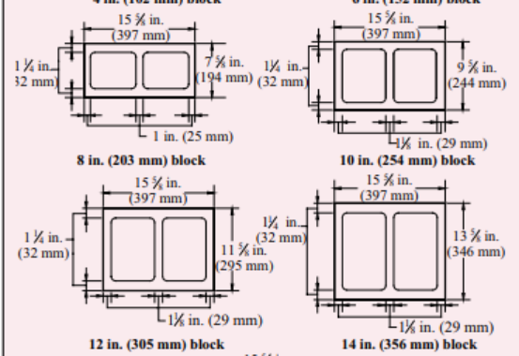
#5 |  | 19 | 16 | 13 | 35 | 35 | 35 | Fy = | 60000 psi
#6 |  | 37 | 29 | 24 | 54 | 54 | 54 | COVER | 2
#7 |  | - | 40 | 33 | - | 63 | 63 | NOTE: | INPUT VALUES IN GRAY CELLS ABOVE. SCHEDULE WILL AUTOMATICALLY UPDATE.
#8 |  | - | - | 50 | - | - | 72
TMS 402/602-16
NOTES:
1 | LAP SPLICE LENGTHS ARE IN INCHES.
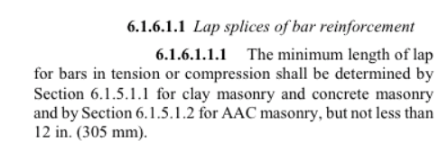
2 | LAP SPLICES IN REINFORCED MASONRY MUST HAVE MINIMUM
 | LENGTHS AS DEFINED ABOVE UNLESS NOTE OTHERWISE
3 | TABULATED VALUES ARE CALCULATED IN ACCORDANCE WITH
 | TMS 402/602-16 CHAPTER 6.
4 | SPLICE AND DEVELOPMENT LENGTHS ARE THE SAME VALUE FOR
 | HORIZONTAL AND VERTICAL BARS
5 | SINGLE REINFORCING IS A SINGLE BAR CENTERED IN CMU BLOCK CELL,
 | DOUBLE REINFORCING IS TWO BARS IN A CMU BLOCK CELL
 | WITH 2 INCH MINIMUM CLEAR COVER FROM OUTSIDE FACE OF BLOCK.
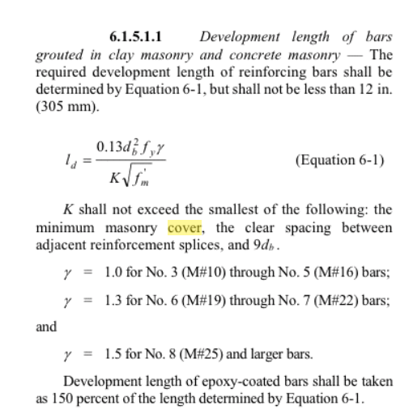
6 | TABULATED VALUES BASED ON UNCOATED REINFORCEMENT
 | WITH A YIELD STRENGTH, Fy =60 ksi.
7 | TABULATED VALUES BASED ON MASONRY COMPRESSIVE
 | STRENGTH, f'm =2,000 psi.

