Cohesive Soil
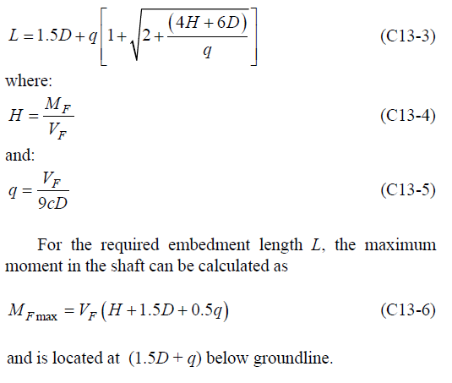
Pole Foundation
For Cohesive Soil
AASHTO, Standard Specifications for Structural Supports for Highway Signs, Luminaires, and Traffic Signals, 2005

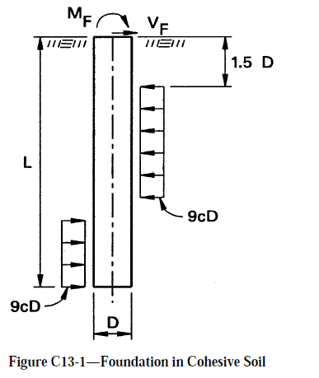
Input Data
Diameter(D) | 0.60 | m
Shear (V) | 1200 | N
Moment(M) | 5560 | N-m
Normal (N) | 1850 | N
c | 15000 | N/m²
Safty Factor | 4.00 | (3-4)
Output Data
Mf | 22240 | N-m
Vf | 4800 | N
H | 4.63 | m
q | 0.06 | m
Mfmax | 26702 | N-m
Length(L) | 2.11 | m

Cohessionless Soil
Pole Foundation
For Cohesionless Soil
AASHTO, Standard Specifications for Structural Supports for Highway Signs, Luminaires, and Traffic Signals, 2005

Input Data
Diameter(D) | 1.00 | m
Shear (V) | 17000 | N
Moment (M) | 268000 | N-m | 0 | -12.407407407
Normal (N) | 14000 | N | 0.2 | -12.556814815
g | 18000 | N/m³ | 0.4 | -12.658222222
ɸ | 35 |  | 0.6 | -12.66362963
Safty Factor | 1.50 |  | 1 | -12.194444444
Output Data |  |  | 0.8 | -12.525037037
Kp | 3.60 |  | 1.2 | -11.623851852
Mf | 402000 | N-m | 1.4 | -10.765259259
Vf | 25500 | N | 1.6 | -9.5706666667
H | 15.76 | m | 1.8 | -7.9920740741
Mfmax | 410638 | N-m | 2 | -5.9814814815
Length(L) | 2.42 | m | 2.2 | -3.4908888889
 |  |  | 2.4 | -0.4722962963
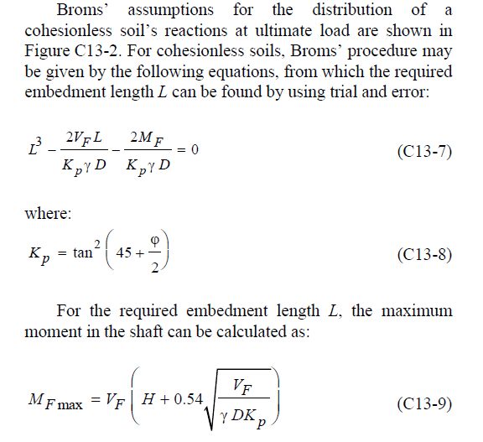
 |  |  | 2.6 | 3.1222962963
 |  |  | 2.8 | 7.3408888889
 |  |  | 3 | 12.231481481
 |  |  | 3.2 | 17.842074074
 |  |  | 3.4 | 24.220666667
 |  |  | 3.6 | 31.415259259
 |  |  | 3.8 | 39.473851852
 |  |  | 4 | 48.444444444
 |  |  | 4.2 | 58.375037037
 |  |  | 4.4 | 69.31362963
 |  |  | 4.6 | 81.308222222
 |  |  | 4.8 | 94.406814815
 |  |  | 5 | 108.65740741

 |  |  | 2.2 | -3.4908888889 | 12
 |  |  | 2.4 | -0.4722962963 | 13 | 0.4722962963
 |  |  | 2.6 | 3.1222962963 | 14

 |  |  | 2.4169110214 | 0

Sheet1
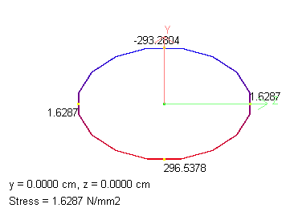
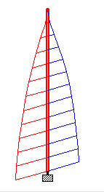
 |  |  | Corner Stress |  |  |  | Max Stress
Beam | L/C | Dist m | Corner 1 N/mm2 | Corner 2 N/mm2 | Corner 3 N/mm2 | Corner 4 N/mm2 | Max Comp N/mm2 | Max Tens N/mm2
1 | 3 D.L+W.L | 0 | -293.28 | 1.629 | 296.538 | 1.629 | 296.538 | -293.28
 |  | 7.5 | -259.413 | 1.543 | 262.499 | 1.543 | 262.499 | -259.413
 |  | 15 | -200.042 | 1.407 | 202.855 | 1.407 | 202.855 | -200.042
 |  | 22.5 | -103.358 | 1.155 | 105.668 | 1.155 | 105.668 | -103.358
 |  | 30 | 0.537 | 0.537 | 0.537 | 0.537 | 0.537 | 0

